Table 1
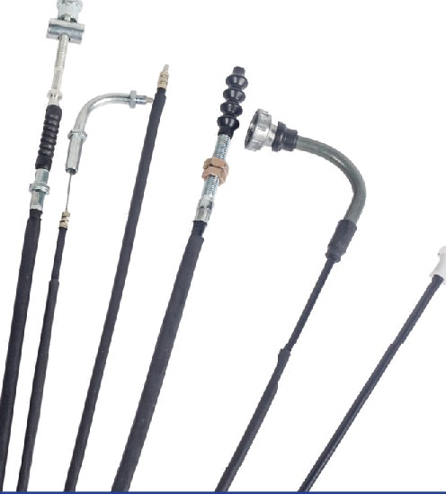
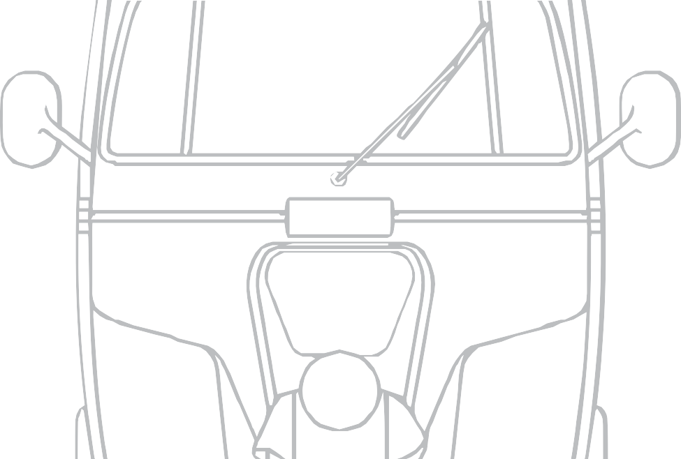
THREE WHEELER PRICE LIST WEF - JULY 2026 ( RE-PRINT )

"
S
CONTROL & SPEEDO CABLES |  | FRICTION PRODUCTS | FILTERS REAR VIEW MIRRORS

 | 

PIONEERING ’CONTROLS’ FOR A WORLD IN MOTION Born of Entrepreneurial spirit in 1985, Suprajit today has carved a niche for itself as a pioneer in the design and manufacture of Mechanical Control Cables and is recognized as India's largest cable maker and worlds largest in the two-wheeler cable market. As a part of its Strategic expansion into Non-Automotive-Cables, Suprajit acquired Wescon Controls Inc USA in 2016 and had also diversified into Automotive Lighting business through acquisition of Phoenix Lamps Limited in 2015. Headquartered in Bangalore- India, Suprajit has transformed from a single product, single customer, single segment, single brand, single location company to a multi- product, multi business, multi customer, multi-brand, multi-location global company making it truly diversified without sacrificing its tenets on Quality, Cost, Delivery and Development. It is driven by its single-minded goal of “Customer Satisfaction” and in this pursuit of excellence it continues be recognised as “Value for Money Supplier” to customers across the spectrum.



PROPRIETARY STATEMENT
Suprajit Engineering Limited, being the largest manufacturer of automobile cables have proprietary designs & in house R&D facilities to develop cables to its own specifications.
The part numbers mentioned in the price list are Suprajit‘s products designed, developed & manufactured for the indian original spare market.
Being an ISO/TS 1 6949 certificate company, the products meet stringent quality requirement. The part numbers mentioned in the list will be suitable for the respective models mentioned therein...
It is indeed a great pleasure to place in your hands the most comprehensive price list covering the entire range of three wheeler cables and other products presently being manufactured.
While thanking you all for the overwhelming support to our product in the last decade, we seek your valued support in the future also.
Regards Team Suprajit
July 2026

CONTROL &

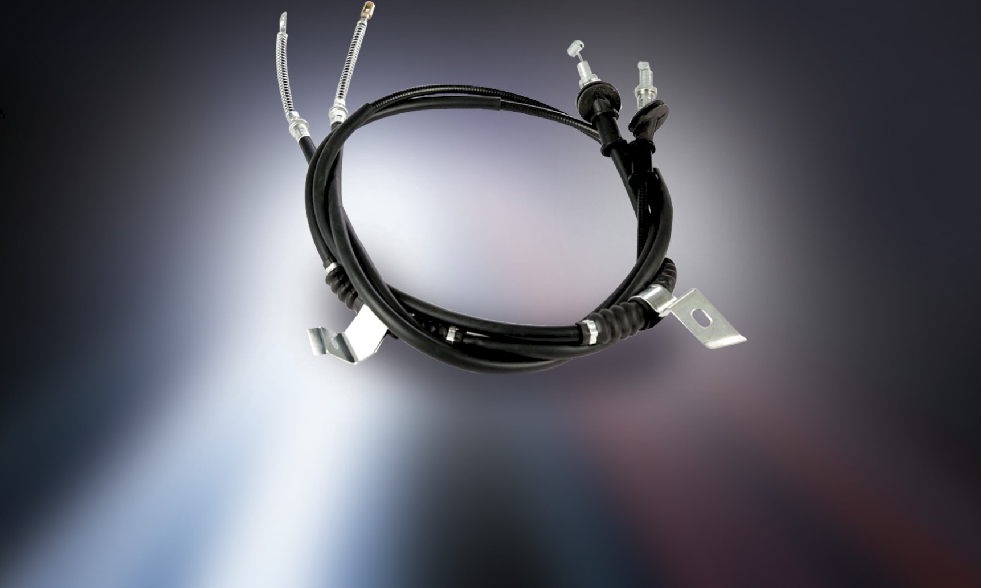
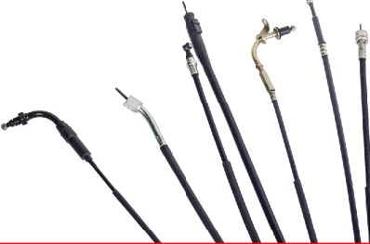
SPEEDO CABLES

Table 23
APE
SAP3WD5010800 | Speedo Inner |  | 25 | 107.00
 |  | ALFA
SMM3WALF0800 | Speedo Inner |  | 25 | 105.00
 |  | APE DLX
SAP3WDLX0800 | Speedo Inner |  | 25 | 110.00
 |  | GC 1000
SBA3WGC0800 | Speedo Inner |  | 25 | 86.00
SBA3WGC9001 | G e a r I n n e r |  | 25 | 47.00
SBA3WGC3001 | Throttle Inner |  | 25 | 79.00
UNIVERSAL INNERS PIGGO-APE/APE DLX/APE XTRA LD/XTRA (PASS)/APE CITY /MHNDRA-ALFA/ALFA PLUS/MRL-TEJA ATUL-MCL/GEMINI
AAI3W1001 | Clutch Inner |  | 25 | 49.00
AAI3W3001 | Throttle Inner |  | 50 | 42.00
AAI3W4001 | Decompression Inner |  | 50 | 41.00
AAI3W7001 | Engine Stop Inner |  | 50 | 42.00
AAI3W1901 | Reverse Gear Inner |  | 25 | 59.00
AAI3W9001 | Gear Inner |  | 50 | 42.00
 | BJAJ RE
SBA3W2SRE1000 | Clutch inner - 2.95 mt (2S/4S ) |  | 50 | 52.00
SBA3W2SRE3001 | Throttle inner - 2.90 mt (2S/4S ) |  | 50 | 32.00
SBA3W2SRE9001 | Gear inner- 2.76 mt ( 2S/4S ) |  | 50 | 40.00
SBA3W4SRE7001 | Rev gear inner- 2.40 mt (4S/CNG ) |  | 50 | 61.00
SBRE0800 | Speedo inner - 2.41 mt |  | 50 | 90.00
SBRE0801 | Speedo inner-2.30 mt |  | 50 | 90.00
SBA3W4SRE0801 | Speedo inner - 1.16 mt |  | 50 | 58.00

Table 27
TVS
STAF1010 | TVS AUTO KING - FOAM AIR FILTER | 20 | 202.00
STOF1002 | TVS KING OIL FILTER | 100 | 52.00
SBAF2015 | BAJAJ 205D PAPER AIR FILTER PU [SBAF2015] | 30 | 226.00
SBAF2016 | BAJAJ RE PAPER AIR FILTER PU | 30 | 293.00
SPOF8000 | APEOLD/8OO OLD OIL FILTER | 100 | 194.00
SPOF8001 | APE NEW/MPFI 800 OIL FILTER (SPOF8001) | 100 | 106.00
SPAF8002 | APE NEW PAPER AIR FILTER (SPAF8002) | 30 | 220.00
SPAF8003 | APE BS3 PAPER AIR FILTER (SPAF8003) | 30 | 220.00
SBOF2111 | KUBOTO OIL FILTER | 25 | 173.00
SBFF2017 | BAJAJ RE FUEL FILTER | 100 | 21.00
SBFF2019 | RE PETROL PETROL FUEL FILTER | 100 | 30.00
SBFF2220 | RE205 INLINE FUEL FILTER | 100 | 23.00
SBOS1000 | RE205/DISCOVER/KTM OIL STRAINER | 100 | 55.00
SBOS1001 | RE OLD OIL STRAINER | 100 | 16.00
SBOF2011 | BAJAJ REAR ENGINE COMPACT | 30 | 145.00
SPOF8003 | DIESEL FILTER 0.5ltr COIL (APPE -OIL FILTER) | 30 | 99.00
SPAF8004 | AIR FILTER - APE BS6 | 30 | 350.00
SPOF8002 | APE CITY Oil Filter | 10 | 147.00
SBOF2112 | OIL FILTER GC 1000 | 10 | 267.00
SVOF8003 | PETROL FILTER -PIAGGIO | 10 | 148.00

Table 30
BAJAJ


SM900L | MIRROR-CNG 3W ROUND LH | 25 | 159.00
SM901R | MIRROR-CNG 3W ROUND RH | 25 | 159.00
SM905 LS | BAJAJ RE CNG BS6 LH-single | 17 | 308.00
SM906 RS | BAJAJ RE CNG BS6 RH-single | 17 | 308.00
SM903L/R | DEV-E-RICKSHAW ROUND MIRROR LH/RH
 | (WITH CLAMP) | 12 | 154.00
SM904 L/R | DEV-E-RICKSHAW ROUND MIRROR LH/RH (WITHOUT CLAMP) | 12 | 126.00
SM902L/R | MIRROR M&M 3W E-ALFA MINI LH/RH | 12 | 144.00
 | E-RICKSHAW
SM904 L/R | DEV-E-RICKSHAW ROUND MIRROR LH/RH (WITHOUT CLAMP) | 12 | 116.00
SM903L/R | DEV-E-RICKSHAW ROUND MIRROR LH/RH
 | (WITH CLAMP) | 12 | 142.00
 | M&M
SM902L/R | DEV-MIRROR M&M E-ALFA MINI LH/RH | 12 | 133.00

PIONEERING ’CONTROLS’
FOR A WORLD IN MOTION
26
At Suprajit, we understand that technology is an ever evolving aspect. Product enhancements, policy changes and groundbreaking innovations dictate that our products always be a step ahead of what the market demands. We ensure that we keep pace by investing in R&D while diversifying into more product categories and spreading our global footprint. We also enter into strategic alliances and partnerships to ensure that we are always in a position to deliver beyond expectations, true to our dictum of being ‘Ready for tomorrow. Ready for the world.' 41


NOTE

Table 31
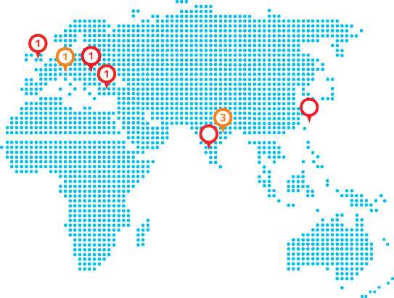 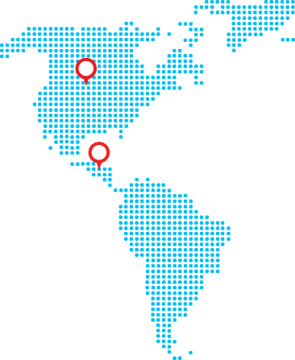
suP
STAND-OUT QUALITY. IH EVERY FRONT. RELIABLE OE QUALITY FOR AFTER-MARKET.
Control & Speedo cables | Speedometer assembly | Tank units Friction Products: Non-asbestos brake shoes, Disc brake pads, Clutch plates, Filters | Rear view mirror
QR Code
THE POWER OF DAY. BROUGHT TO EYERY NIGHT. | PH ENIX
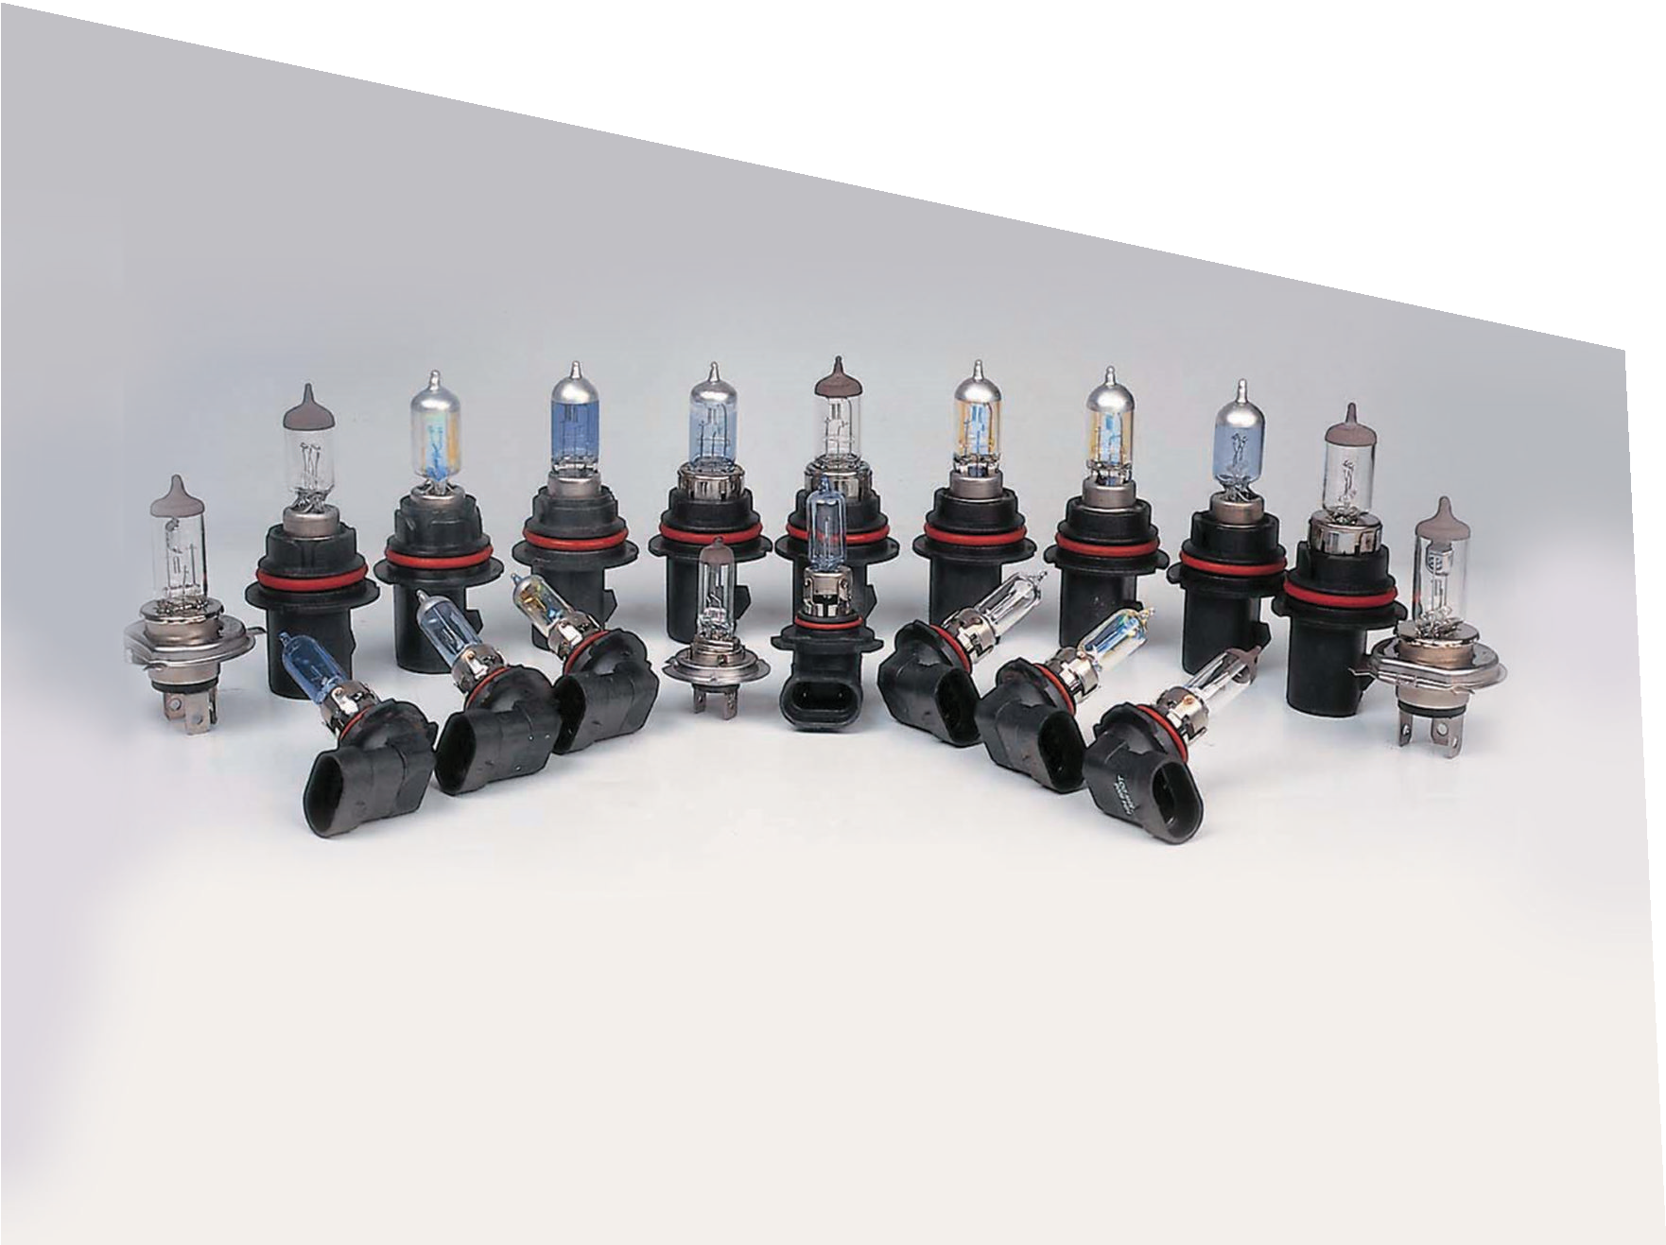
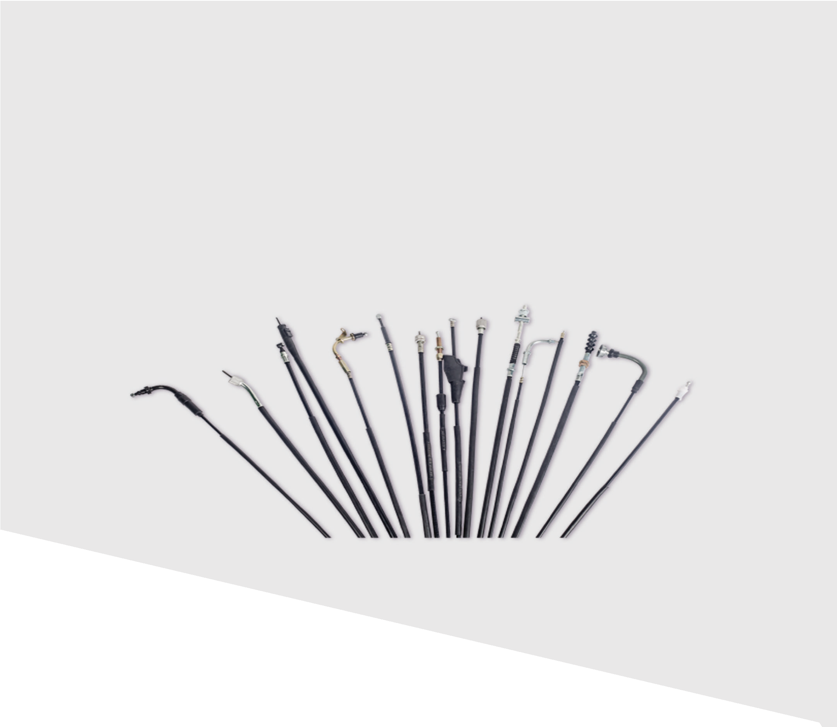

Halogen lamps | LED | Relay | HP ceramic holders | Wiper blades Harness cables, Horns, Stop & Tail lamps

INDIA :15 Facilities OVERSEAS :8 Facilities SOUTH - 8 NORTH - 4 WEST - 3 USA -2 Bangalore - 7 Manesar | Haridwar Pune Mexico - 2 Chennai - 1 Panthnagar | Pathredi Vapi Slovenia - 1 Sanand UK - 1 Hungary - 1 China - 1
No.14/A,Unit 8, Jigni Link Road, Bommasandra Industrial Area, Anekal Taluk, Bangalore - 560 099 Karnataka, India. our Unit Location : Bengaluru, Chennai, Pune, Vapi, Sanand, Haridwar, Patnagar, Manesar, Pathredi T: +080 41525415 M :+91 98442 94100 E: aftermarket@suprajit.com

2
1
2
15

